Fuel Flow Model
9M-MRO Fuel Model - Dr. Bobby Ulich
Version 5.0 Beta | 25-Sep-17 | (1) Initial issue.
Version 5.1 Beta | 1-Oct-17 | (1) Added Mach and Fuel Flow tables for Maximum Range Cruise (Cost Index = 0) and for Cost Index = 52 (MH370 Flight Plan); (2) Added capability to select a standard speed mode (MRC, LRC, CI=52, M0.84, or Holding) or an arbitrary Mach; (3) Added switch to select Air Packs ON or Air Packs OFF (OFF saves ≈55 kg/hr/engine). Estimated RMS Mach errors are 0.8% for CI = 52 and 1.1% for MRC.
Version 5.2 Beta | 2-Oct-17 | (1) Added Endurance Model worksheet.
Version 5.3 Beta | 11-Oct-17 | (1) Added constant KCAS speed mode; (2) Modified Endurance Model to find L and R engine flame-out times; (3) Added numerous input parameters to Endurance Model, allowing for 3 legs, climbs, descents, etc.; (4) Added end-of-flight model.
Version 5.4 | 22-Oct-17 | (1) Added LRCINOP and HOLDINGINOP speed modes; (2) Modified L and R tank calculations in the Endurance Model to allow extended INOP flight using all fuel on board.; (3) Fixed a bug in setting ΔSAT for the 3 legs in the Endurance Model; (4) Added a worksheet with a plot of endurance versus range for various post-18:29 speed modes and altitudes; (5) Revised the CI = 52 Mach schedule.
Version 5.5 | 4-Nov-17 | (1) Added examples for fixed Mach and fixed KIAS in "Endurance vs Range Plot" worksheet. Also added the southern latitude limits to the table on the same worksheet.
Version 5.6 | 4-Nov-17 | (1) Corrected two fuel flow values in the tables.
Notes : 1. This is a Beta test version. Please identify possible errors and suggest methods for improvements. Respond to bobby.ulich@gmail.com. 2. This is a traditional, generalized aerodynamic model that computes fuel flow as a function of Mach, weight, flight level, temperature deviation from ISA, and average engine PDA. It assumes level flight at constant air speed. 3. This model is only applicable to a B777-200ER aircraft with Rolls Royce Trent 892B engines (like 9M-MRO). 4. The truth data used to fit this model are the accompanying tables of fuel flow prepared by Boeing. See the other worksheets for a complete listing of all applicable speed and fuel flow tables. 5. Generally speaking, applicable weights are those above 170 tonnes, and flight levels are between 200-430 for full accuracy (within ± 1%). LRC data are used down to FL100, and somewhat degraded accuracy is expected below FL200 at low speeds (estimated ± 2%). 6. The Holding fuel flow tables exhibit "steps" of 1%, 2.5%, and 5% which are not fully understood. The steps > 1% in fuel flow produce "outliers" which have been removed from the data set being fitted. 7. The airfoil drag coefficients are accessed using a 2-D look-up table, which is based on Obert's plot with very minor (<1%) adjustments to best fit the truth data. 8. The engine effectiveness in producing thrust appears to depend on the ratio of thrust to the static air pressure (in addition to depending on Mach and static air temperature). An empirical fit to this function is used in the Thrust Specific Fuel Consumption parameter. See the Figures worksheet for a plot. The thrust to pressure ratio is correlated with the drag curves, so it is possible that the small (< 1%) variations seen in the best-fit TSFC effectiveness parameter are actually due to inaccuracies in interpolating the drag coefficient, not to engine characteristics. This effect is considered when establishing a ± 1% error bound under the conditions listed ab |  |  |  |  |  | 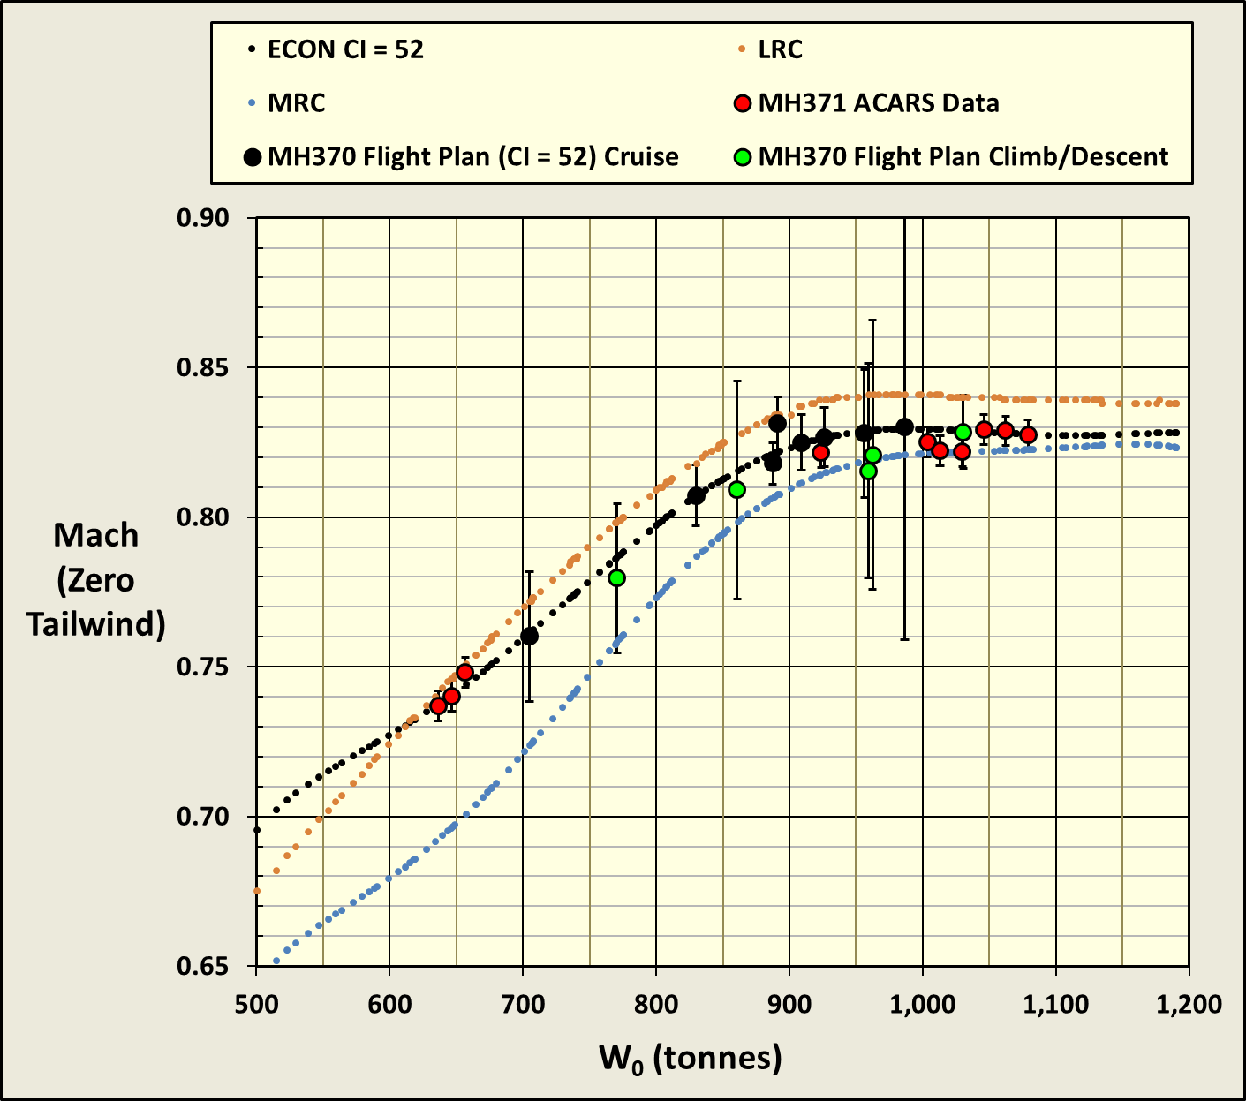
Parameters | Values | Units | Notes | Equations
Inputs : |  |  |  | Line # |  | FF2used (kg/hr)
Speed_Mode | LRCINOP | (--) | Select one: MACH, KCAS, LRC, MRC, CI52, M0.84, HOLDING, LRCINOP, HOLDINGINOP | 6 | Manual entry of Speed_Mode | #NAME?
Fixed Mach or KCAS | 0.821 | (--) | Manually-entered Mach used when Speed_Mode is set to MACH, or manually-entered KCAS when Speed_Mode is set to KCAS | 14 | Manual entry of Mach or KCAS
Weight | 210.0 | (tonnes) | Total weight W of aircraft including Fuel on Board | 15 | Manual entry of weight
Flight Level | 350.0 | (hft) | Pressure altitude in units of 100 feet | 16 | Manual entry of flight level
ΔSAT (C) | 10.0 | (C) | Difference between Static Air Temperature (SAT) and International Standard Atmosphere (ISA) temperature at same pressure altitude; affects true airspeed and fuel flow | 17 | Manual entry of temperature deviation from ISA
Air Conditioning Packs | ON | (ON or OFF) | Normally ON; turning Air Packs OFF reduces fuel flow by approx. 88 kg/hr/engine and depressurizes cabin | 18 | Manual entry of "ON" or "OFF" for air packs
PDA | 1.5% | (%) | Engine Performance Degradation Allowance; average of left and right engine values for 9M-MRO is 1.5% from MH370 Flight Plan | 19 | Manual entry of PDA in %
Outputs :
Mach | #NAME? | (--) | Selects or calculates Mach from Speed_Mode and fixed input; Mach number M is ratio of true airspeed to Local Sound Speed | 21 | =IF(G7="MACH",G8, IF(G7="KCAS", ( (5*( ( (((1+0.2*(G8/661.4786)^2)^3.5 -1) )/( (1-6.8755856*10^-6 *100*G10)^5.2558797) +1)^(2/7) -1) )^0.5),IF(G7="LRC",BicubicInterpolation( 'LRC Mach'!$C$4:$AL$21, G10,G9), IF(G7="MRC",BicubicInterpolation( 'MRC Mach'!$C$3:$T$18, G10,G9), IF(G7="M0.84",0.84, IF(G7="CI52",BicubicInterpolation('CI=52 Mach'!$C$3:$T$18, G10,G9), IF(G7="HOLDING",BicubicInterpolation( 'Holding Mach'!$C$4:$M$13, G10,G9), IF(G7="LRCINOP", BicubicInterpolation('LRC INOP Mach'!$C$4:$AA$21,G10,G9), IF(G7="HOLDINGINOP", BicubicInterpolation('Holding INOP Mach'!$N$4:$U$13,G10,G9),"TRY AGAIN" )))))))))
SATISA | 218.8 | (K) | ISA Static Air Temperature at Flight Level | 22 | =IF(G10<360.8924,288.15-1.9812*G10/10,216.65)
θISA | 0.7594 |  | Ratio of SATISA at Flight Level to SATISA at sea level (288.15 K) | 23 | =G16/288.15
SAT | 228.8 | (K) | Static Air Temperature, including ΔSAT | 24 | =G16+G11
θ | 0.7941 | (--) | Ratio of SAT at Flight Level to SATISA at sea level (288.15 K) | 25 | =G18/288.15
TAT | #NAME? | (K) | Total Air Temperature including dynamic heating = SAT·(1+0.2·M2) | 26 | =G18*(1+0.2*G15^2)
θT | #NAME? | (--) | Ratio of Total Air Temperature (TAT) to SATISA at sea level (288.15 K) | 27 | =G20/288.15
(θT)0.68 | #NAME? | (--) | Power of θT used in corrected fuel flow parameter is best fit to Boeing 777-200ER LRC and Holding fuel flow tables for RR Trent 892B engines; note that this term adjusts fuel flow with temperature (no additional temperature correction factor, such as 3%/10C in TAT, is needed) | 28 | =G21^0.68
LSS | 589.4 | (kts) | Local Sound Speed | 29 | =661.4786*SQRT(G19)
TAS | #NAME? | (kts) | True airspeed | 30 | =G15*G23
 | #NAME? | (m/s) |  | 31 | =G24*0.5144444
KCAS | #NAME? | (kts) | Knots Calibrated Air Speed | 32 | =661.4786*(5*((1 + ( (1-0.00068755856*G10)^5.2558797)*((1 + G15^2/5)^3.5 - 1))^(2/7) - 1))^0.5
P | 238.4 | (hPa) | Static atmospheric pressure at given Flight Level (pressure altitude) | 33 | =IF(G10<360.8924,1013.25*(1-0.0000068755856*100*G10)^5.2558797,0.01*0.2233609*101325*EXP(-0.004806346*(G10-360.8924)))
δ | 0.2353 | (--) | Ratio of static air pressure at Flight Level to ISA sea-level pressure (1013.25 hPa) | 34 | =G27/1013.25
δT | #NAME? | (--) | Total pressure ratio is ratio of dynamic air pressure to static sea-level air pressure; dynamic pressure is P·(1+0.2·M2)3.5 | 35 | =G28*(1+0.2*G15^2)^3.5
W0 ≡ W / δ | 892.5 | (tonnes) | Ratio of aircraft total weight to pressure ratio δ; equals weight at sea level having same ratio to sea-level pressure as actual weight to actual pressure at given Flight Level | 36 | =G9/G28
ρ | 0.3630 | (kg/m3) | Air density =1.225·δ / θ | 37 | =1.225*G28/G19
S | 427.80 | (m2) | Reference wing area of B777-200ER; design value is 427.80 m2 | 38 | 427.80
CL | #NAME? | (--) | Coefficient of lift calculated assuming lift = weight (i.e., no vertical acceleration) | 39 | =1000*9.80665*G9/(0.5*G31*G32*(G25)^2)
CD | #NAME? | (--) | Drag coefficient is calculated using bicubic interpolation of lookup table for B777-200ER | 40 | =0.0001*BicubicInterpolation('Drag Coef Table'!$B$4:$L$28,G33,G15)
ΔCD | 0.00012 | (--) | Correction to drag coefficient due to Reynolds number; here this correction is only for temperature; correction for effect of pressure on Reynolds number depends on Boeing reference altitude chart, which is unpublished in open literature; +10C increases drag and fuel flow by ≈ 0.5% | 41 | =(-45.29)*0.0001*LOG10( ( ( G19 + 0.38312 ) / G19^2 ) / ( (G17 +0.38312)/(G17)^2 ) )
CDtotal | #NAME? | (--) | Total drag coefficient, including effect of temperature on Reynolds number | 42 | =G34+G35
L / D = CL / CDtotal | #NAME? | (--) | Ratio of lift to drag = ratio of lift coefficient to drag coefficient | 43 | =G33/G36
Thrust ≡ Ͳ = Drag ≡ D | #NAME? | (kN) | Required thrust equals drag, assuming constant airspeed | 44 | =G36*0.5*G31*(G25^2)*G32/1000
Drag/δ ≡ D0 = Ͳ/δ ≡ Ͳ0 | #NAME? | tonnes | For this ratio I use tonnes rather than kN for thrust, to be consistent with the standard practice of listing aircraft weights in tonnes (1,000 kg) | 45 | =G38/G28/9.80665
TSFC_Scalar | 75.197 | (kg/hr/kN/1 engine) | Best-fit coefficient of TSFC (at sea level at Mach 1) for Rolls Royce Trent 892B engines | 46 | 75.197
θ0.68 | 0.8549 | (--) | Temperature dependence factor in TSFC | 47 | =G19^0.68
M0.53 | #NAME? | (--) | Mach dependence factor in TSFC | 48 | =G15^0.53
Eeng | #NAME? | (--) | The engine effectiveness factor in TSFC, depending on the ratio of thrust to static air pressure (Ͳ0) from a best-fit look-up table; Eeng ≤ 1 | 49 | =BicubicInterpolation('TSFC Eff Table'!$B$4:$E$69,2,G39)
TSFC | #NAME? | (kg/hr/kN) | Thrust-specific fuel consumption for RR Trent 892B engines = TSFC_Scalar · θ0.68 · M0.5 / Eeng | 50 | =G40*G41*G42/G43
FFnet2new | #NAME? | (kg/hr/2 new engines) | Thrust-producing (net) fuel flow from two new engines = Thrust · TSFC | 51 | =IF( G7="LRCINOP", BicubicInterpolation('LRC INOP FF'!$C$4:$AA$21,G10,G9)-G50, IF(G7="HOLDINGINOP", BicubicInterpolation( 'Holding INOP FF'!$C$4:$J$13, G10, G9)/1.05-G50, G38*G44))
FFnet1new | #NAME? | (kg/hr/1 new engine) | Single-engine net fuel flow that produces thrust (with new engines) | 52 | =IF( OR(G7="LRCINOP", G7="HOLDINGINOP"), G45, G45/2 )
CFFnet1new | #NAME? | (tonnes/hr/1 new engine) | Corrected fuel flow parameter using thrust-producing fuel flow for 1 new engine = FFnet1new/(δT · θT0.68) | 53 | =G46/(G29*G22)/1000
CFFnet2new | #NAME? | (tonnes/hr/2 new engines) | Corrected fuel flow parameter using thrust-producing fuel flow for 2 new engines | 54 | =IF( OR(G7="LRCINOP", G7="HOLDINGINOP"), G47, 2*G47 )
CFFnet2new / W0 | #NAME? | (%/hr) | Ratio of Corrected (net) Fuel Flow parameter for 2 new engines to equivalent sea-level weight W0; assumes new engines (PDA = 0%); typically ≈ 2% of equivalent aircraft weight is burned per hour at unity dynamic pressure and temperature ratios | 55 | =100*G48/G30
...

Endurance Model
 | TAS | Flight Level | Weight | KCAS | Total Fuel | Mach
2014-03-07 17:07:00 | 0.0 | 350.00 | 218.169 | 0.0 | 43.800 | 0.0000
2014-03-07 17:08:00 | 0.0 | 0.00 | 0.000 | 0.0 | 0.000 | 0.0000
2014-03-07 17:09:00 | 0.0 | 0.00 | 0.000 | 0.0 | 0.000 | 0.0000
2014-03-07 17:10:00 | 0.0 | 0.00 | 0.000 | 0.0 | 0.000 | 0.0000
2014-03-07 17:11:00 | 0.0 | 0.00 | 0.000 | 0.0 | 0.000 | 0.0000
2014-03-07 17:12:00 | 0.0 | 0.00 | 0.000 | 0.0 | 0.000 | 0.0000
2014-03-07 17:13:00 | 0.0 | 0.00 | 0.000 | 0.0 | 0.000 | 0.0000
2014-03-07 17:14:00 | 0.0 | 0.00 | 0.000 | 0.0 | 0.000 | 0.0000
2014-03-07 17:15:00 | 0.0 | 0.00 | 0.000 | 0.0 | 0.000 | 0.0000
2014-03-07 17:16:00 | 0.0 | 0.00 | 0.000 | 0.0 | 0.000 | 0.0000
2014-03-07 17:17:00 | 0.0 | 0.00 | 0.000 | 0.0 | 0.000 | 0.0000
2014-03-07 17:18:00 | 0.0 | 0.00 | 0.000 | 0.0 | 0.000 | 0.0000
2014-03-07 17:19:00 | 0.0 | 0.00 | 0.000 | 0.0 | 0.000 | 0.0000
2014-03-07 17:20:00 | 0.0 | 0.00 | 0.000 | 0.0 | 0.000 | 0.0000
2014-03-07 17:21:00 | 0.0 | 0.00 | 0.000 | 0.0 | 0.000 | 0.0000
2014-03-07 17:22:00 | 0.0 | 0.00 | 0.000 | 0.0 | 0.000 | 0.0000
2014-03-07 17:23:00 | 0.0 | 0.00 | 0.000 | 0.0 | 0.000 | 0.0000
2014-03-07 17:24:00 | 0.0 | 0.00 | 0.000 | 0.0 | 0.000 | 0.0000
2014-03-07 17:25:00 | 0.0 | 0.00 | 0.000 | 0.0 | 0.000 | 0.0000
2014-03-07 17:26:00 | 0.0 | 0.00 | 0.000 | 0.0 | 0.000 | 0.0000
2014-03-07 17:27:00 | 0.0 | 0.00 | 0.000 | 0.0 | 0.000 | 0.0000
2014-03-07 17:28:00 | 0.0 | 0.00 | 0.000 | 0.0 | 0.000 | 0.0000
2014-03-07 17:29:00 | 0.0 | 0.00 | 0.000 | 0.0 | 0.000 | 0.0000
2014-03-07 17:30:00 | 0.0 | 0.00 | 0.000 | 0.0 | 0.000 | 0.0000
2014-03-07 17:31:00 | 0.0 | 0.00 | 0.000 | 0.0 | 0.000 | 0.0000
2014-03-07 17:32:00 | 0.0 | 0.00 | 0.000 | 0.0 | 0.000 | 0.0000
2014-03-07 17:33:00 | 0.0 | 0.00 | 0.000 | 0.0 | 0.000 | 0.0000
2014-03-07 17:34:00 | 0.0 | 0.00 | 0.000 | 0.0 | 0.000 | 0.0000
2014-03-07 17:35:00 | 0.0 | 0.00 | 0.000 | 0.0 | 0.000 | 0.0000
2014-03-07 17:36:00 | 0.0 | 0.00 | 0.000 | 0.0 | 0.000 | 0.0000
2014-03-07 17:37:00 | 0.0 | 0.00 | 0.000 | 0.0 | 0.000 | 0.0000
2014-03-07 17:38:00 | 0.0 | 0.00 | 0.000 | 0.0 | 0.000 | 0.0000
2014-03-07 17:39:00 | 0.0 | 0.00 | 0.000 | 0.0 | 0.000 | 0.0000
2014-03-07 17:40:00 | 0.0 | 0.00 | 0.000 | 0.0 | 0.000 | 0.0000
2014-03-07 17:41:00 | 0.0 | 0.00 | 0.000 | 0.0 | 0.000 | 0.0000
2014-03-07 17:42:00 | 0.0 | 0.00 | 0.000 | 0.0 | 0.000 | 0.0000
2014-03-07 17:43:00 | 0.0 | 0.00 | 0.000 | 0.0 | 0.000 | 0.0000
2014-03-07 17:44:00 | 0.0 | 0.00 | 0.000 | 0.0 | 0.000 | 0.0000
2014-03-07 17:45:00 | 0.0 | 0.00 | 0.000 | 0.0 | 0.000 | 0.0000
2014-03-07 17:46:00 | 0.0 | 0.00 | 0.000 | 0.0 | 0.000 | 0.0000
2014-03-07 17:47:00 | 0.0 | 0.00 | 0.000 | 0.0 | 0.000 | 0.0000
2014-03-07 17:48:00 | 0.0 | 0.00 | 0.000 | 0.0 | 0.000 | 0.0000
2014-03-07 17:49:00 | 0.0 | 0.00 | 0.000 | 0.0 | 0.000 | 0.0000
2014-03-07 17:50:00 | 0.0 | 0.00 | 0.000 | 0.0 | 0.000 | 0.0000
2014-03-07 17:51:00 | 0.0 | 0.00 | 0.000 | 0.0 | 0.000 | 0.0000
2014-03-07 17:52:00 | 0.0 | 0.00 | 0.000 | 0.0 | 0.000 | 0.0000
2014-03-07 17:53:00 | 0.0 | 0.00 | 0.000 | 0.0 | 0.000 | 0.0000
2014-03-07 17:54:00 | 0.0 | 0.00 | 0.000 | 0.0 | 0.000 | 0.0000
2014-03-07 17:55:00 | 0.0 | 0.00 | 0.000 | 0.0 | 0.000 | 0.0000
2014-03-07 17:56:00 | 0.0 | 0.00 | 0.000 | 0.0 | 0.000 | 0.0000
...
 | TAS | Flight Level | KCAS | Total Fuel X 100 | Mach
2014-03-07 17:07:00 | 0.0 | 350.00 | 0.0 | 4380.000 | 0.0000
2014-03-07 17:08:00 | 0.0 | 0.00 | 0.0 | 0.000 | 0.0000
2014-03-07 17:09:00 | 0.0 | 0.00 | 0.0 | 0.000 | 0.0000
2014-03-07 17:10:00 | 0.0 | 0.00 | 0.0 | 0.000 | 0.0000
2014-03-07 17:11:00 | 0.0 | 0.00 | 0.0 | 0.000 | 0.0000
2014-03-07 17:12:00 | 0.0 | 0.00 | 0.0 | 0.000 | 0.0000
2014-03-07 17:13:00 | 0.0 | 0.00 | 0.0 | 0.000 | 0.0000
2014-03-07 17:14:00 | 0.0 | 0.00 | 0.0 | 0.000 | 0.0000
2014-03-07 17:15:00 | 0.0 | 0.00 | 0.0 | 0.000 | 0.0000
2014-03-07 17:16:00 | 0.0 | 0.00 | 0.0 | 0.000 | 0.0000
2014-03-07 17:17:00 | 0.0 | 0.00 | 0.0 | 0.000 | 0.0000
2014-03-07 17:18:00 | 0.0 | 0.00 | 0.0 | 0.000 | 0.0000
2014-03-07 17:19:00 | 0.0 | 0.00 | 0.0 | 0.000 | 0.0000
2014-03-07 17:20:00 | 0.0 | 0.00 | 0.0 | 0.000 | 0.0000
2014-03-07 17:21:00 | 0.0 | 0.00 | 0.0 | 0.000 | 0.0000
2014-03-07 17:22:00 | 0.0 | 0.00 | 0.0 | 0.000 | 0.0000
2014-03-07 17:23:00 | 0.0 | 0.00 | 0.0 | 0.000 | 0.0000
2014-03-07 17:24:00 | 0.0 | 0.00 | 0.0 | 0.000 | 0.0000
2014-03-07 17:25:00 | 0.0 | 0.00 | 0.0 | 0.000 | 0.0000
2014-03-07 17:26:00 | 0.0 | 0.00 | 0.0 | 0.000 | 0.0000
2014-03-07 17:27:00 | 0.0 | 0.00 | 0.0 | 0.000 | 0.0000
2014-03-07 17:28:00 | 0.0 | 0.00 | 0.0 | 0.000 | 0.0000
2014-03-07 17:29:00 | 0.0 | 0.00 | 0.0 | 0.000 | 0.0000
2014-03-07 17:30:00 | 0.0 | 0.00 | 0.0 | 0.000 | 0.0000
2014-03-07 17:31:00 | 0.0 | 0.00 | 0.0 | 0.000 | 0.0000
2014-03-07 17:32:00 | 0.0 | 0.00 | 0.0 | 0.000 | 0.0000
2014-03-07 17:33:00 | 0.0 | 0.00 | 0.0 | 0.000 | 0.0000
2014-03-07 17:34:00 | 0.0 | 0.00 | 0.0 | 0.000 | 0.0000
2014-03-07 17:35:00 | 0.0 | 0.00 | 0.0 | 0.000 | 0.0000
2014-03-07 17:36:00 | 0.0 | 0.00 | 0.0 | 0.000 | 0.0000
2014-03-07 17:37:00 | 0.0 | 0.00 | 0.0 | 0.000 | 0.0000
2014-03-07 17:38:00 | 0.0 | 0.00 | 0.0 | 0.000 | 0.0000
2014-03-07 17:39:00 | 0.0 | 0.00 | 0.0 | 0.000 | 0.0000
2014-03-07 17:40:00 | 0.0 | 0.00 | 0.0 | 0.000 | 0.0000
2014-03-07 17:41:00 | 0.0 | 0.00 | 0.0 | 0.000 | 0.0000
2014-03-07 17:42:00 | 0.0 | 0.00 | 0.0 | 0.000 | 0.0000
2014-03-07 17:43:00 | 0.0 | 0.00 | 0.0 | 0.000 | 0.0000
2014-03-07 17:44:00 | 0.0 | 0.00 | 0.0 | 0.000 | 0.0000
2014-03-07 17:45:00 | 0.0 | 0.00 | 0.0 | 0.000 | 0.0000
2014-03-07 17:46:00 | 0.0 | 0.00 | 0.0 | 0.000 | 0.0000
2014-03-07 17:47:00 | 0.0 | 0.00 | 0.0 | 0.000 | 0.0000
2014-03-07 17:48:00 | 0.0 | 0.00 | 0.0 | 0.000 | 0.0000
2014-03-07 17:49:00 | 0.0 | 0.00 | 0.0 | 0.000 | 0.0000
2014-03-07 17:50:00 | 0.0 | 0.00 | 0.0 | 0.000 | 0.0000
2014-03-07 17:51:00 | 0.0 | 0.00 | 0.0 | 0.000 | 0.0000
2014-03-07 17:52:00 | 0.0 | 0.00 | 0.0 | 0.000 | 0.0000
2014-03-07 17:53:00 | 0.0 | 0.00 | 0.0 | 0.000 | 0.0000
2014-03-07 17:54:00 | 0.0 | 0.00 | 0.0 | 0.000 | 0.0000
2014-03-07 17:55:00 | 0.0 | 0.00 | 0.0 | 0.000 | 0.0000
2014-03-07 17:56:00 | 0.0 | 0.00 | 0.0 | 0.000 | 0.0000
...
MH370 Endurance Model (from 17:07 until Impact) |  |  | #NAME? | #NAME? |  |  |  |  |  |  |  |  |  |  |  |  |  |  |  |  |  |  |  |  |  |  |  |  |  | LRC
Variable |  | Value | Units | Notes |  |  |  |  |  |  |  |  |  |  |  |  |  |  |  |  |  |  |  |  | Value | Value | Value | Value | Value | Value
INPUT PARAMETERS
Leg #1 | Start time | 2014-03-07 17:07:00 | UTC | Last ACARS Fuel Report; start time of MEFE model |  |  |  |  |  |  |  |  |  |  |  |  |  |  |  |  |  |  |  |  | 2014-03-07 17:07:00 | 2014-03-07 17:07:00 | 2014-03-07 17:07:00 | 2014-03-07 17:07:00 | 2014-03-07 17:07:00 | 2014-03-07 17:07:00
 | Speed mode | MRC | -- | Use LRC, MRC, CI52, M0.84, HOLDING, MACH, KCAS, LRCINOP, or HOLDINGINOP |  |  |  |  |  |  |  |  |  |  |  |  |  |  |  |  |  |  |  |  | MRC | MRC | MRC | MRC | MRC | MRC
 | Fixed Mach or KCAS | 0.835 | -- or kts | Used only with MACH and KCAS speed modes |  |  |  |  |  |  |  |  |  |  |  |  |  |  |  |  |  |  |  |  | 0.835 | 0.835 | 0.835 | 0.835 | 0.835 | 0.835
 | Flight Level | 350 | hft | At 35,000 feet from MH370 ACARS data at 17:07 |  |  |  |  |  |  |  |  |  |  |  |  |  |  |  |  |  |  |  |  | 350 | 350 | 350 | 350 | 350 | 350
 | ΔSAT | 10.0 | C | Excess SAT above ISA (from NOAA GDAS) |  |  |  |  |  |  |  |  |  |  |  |  |  |  |  |  |  |  |  |  | 10.0 | 10.0 | 10.0 | 10.0 | 10.0 | 10.0 | 10.0 | 10.0 | 10.0 | 10.0 | 10.0 | 10.0 | 10.0
 | Air Packs | ON | -- | Normally ON which pressurizes cabin |  |  |  |  |  |  |  |  |  |  |  |  |  |  |  |  |  |  |  |  | ON | ON | ON | ON | ON | ON | ON | ON | ON | ON | ON | ON | ON
 | Fuel in L tank | 21.973 | tonnes | Estimated from Fuel Load Sheet, R/L fuel flows during Take-off and Climb, and last ACARS Fuel Report at 17:06:43 |  |  |  |  |  |  |  |  |  |  |  |  |  |  |  |  |  |  |  |  | 21.973 | 21.973 | 21.973 | 21.973 | 21.973 | 21.973 | 21.973 | 21.973 | 21.973 | 21.973 | 21.973 | 21.973 | 21.973
 | Fuel in R tank | 21.827 | tonnes |  |  |  |  |  |  |  |  |  |  |  |  |  |  |  |  |  |  |  |  |  | 21.827 | 21.827 | 21.827 | 21.827 | 21.827 | 21.827 | 21.827 | 21.827 | 21.827 | 21.827 | 21.827 | 21.827 | 21.827
Leg #2 | Start time | 2014-03-07 17:22:00 | UTC | Approximate Diversion time |  |  |  |  |  |  |  |  |  |  |  |  |  |  |  |  |  |  |  |  | 2014-03-07 17:22:00 | 2014-03-07 17:22:00 | 2014-03-07 17:22:00 | 2014-03-07 17:22:00 | 2014-03-07 17:22:00 | 2014-03-07 17:22:00 | 2014-03-07 17:22:00 | 2014-03-07 17:22:00 | 2014-03-07 17:22:00 | 2014-03-07 17:22:00 | 2014-03-07 17:22:00 | 2014-03-07 17:22:00 | 2014-03-07 17:22:00
 | Speed mode | M0.84 | -- | Use LRC, MRC, CI52, M0.84, HOLDING, MACH, KCAS, LRCINOP, or HOLDINGINOP |  |  |  |  |  |  |  |  |  |  |  |  |  |  |  |  |  |  |  |  | M0.84 | M0.84 | M0.84 | M0.84 | M0.84 | M0.84 | M0.84 | M0.84 | M0.84 | M0.84 | M0.84 | M0.84 | M0.84
 | Fixed Mach or KCAS | 0.835 | -- or kts | Used only with MACH and KCAS speed modes |  |  |  |  |  |  |  |  |  |  |  |  |  |  |  |  |  |  |  |  | 0.835 | 0.835 | 0.835 | 0.835 | 0.835 | 0.835 | 0.835 | 0.835 | 0.835 | 0.835 | 0.835 | 0.835 | 0.835
 | Flight Level | 340 | hft | At 35,000 feet from ACARS |  |  |  |  |  |  |  |  |  |  |  |  |  |  |  |  |  |  |  |  | 340 | 340 | 340 | 340 | 340 | 340 | 340 | 340 | 340 | 340 | 340 | 340 | 340
 | ΔSAT | 10.0 | C | Excess SAT above ISA (from NOAA GDAS) |  |  |  |  |  |  |  |  |  |  |  |  |  |  |  |  |  |  |  |  | 10.0 | 10.0 | 10.0 | 10.0 | 10.0 | 10.0 | 10.0 | 10.0 | 10.0 | 10.0 | 10.0 | 10.0 | 10.0
 | Air Packs | ON | -- | Normally ON which pressurizes cabin |  |  |  |  |  |  |  |  |  |  |  |  |  |  |  |  |  |  |  |  | ON | ON | ON | ON | ON | ON | ON | ON | ON | ON | ON | ON | ON
Predicted and Observed Main Engines Fuel Exhaustion Time for Various Post-18:29 Airspeeds
 | +/- 1 Sigma |  | Estimated MEFE from Sat Data |  | M0.84 |  | LRC |  | 1-Hour HOLD Then LRC |  | 1-Hour HOLD then LRC (Air Packs OFF) |  | MRC |  | 250 KCAS |  | HOLDING
41706.015 | 0 | 41706.012 | 0 | 2014-03-08 00:02:00 | 410 | 41706.00 | 200.0 | 2014-03-08 00:10:00 | 410 | 2014-03-08 00:16:00 | 410 | 2014-03-08 00:24:00 | 210.0 | 2014-03-08 00:27:00 | 50.0 | 2014-03-07 23:57:00 | 25.0
41706.015 | 500 | 41706.012 | 450 | 2014-03-08 00:05:00 | 390 | 41706.00 | 250.0 | 2014-03-08 00:10:00 | 390 | 2014-03-08 00:16:00 | 390 | 2014-03-08 00:19:00 | 230.0 | 2014-03-08 00:21:00 | 75.0 | 2014-03-08 00:07:00 | 50.0
41706.009 | 500 |  |  | 2014-03-07 23:59:00 | 370 | 41706.00 | 270.0 | 2014-03-08 00:09:00 | 370 | 2014-03-08 00:16:00 | 370 | 2014-03-08 00:20:00 | 250.0 | 2014-03-08 00:20:00 | 80.0 | 2014-03-08 00:19:00 | 75.0
41706.009 | 0 |  |  | 2014-03-07 23:46:00 | 350 | 41706.00 | 290.0 | 2014-03-08 00:09:00 | 350 | 2014-03-08 00:15:00 | 350 | 2014-03-08 00:25:00 | 270.0 | 2014-03-08 00:21:00 | 100.0 | 2014-03-08 00:30:00 | 100.0
 |  |  |  | 2014-03-07 23:25:00 | 325 | 41706.00 | 310.0 | 2014-03-08 00:10:00 | 330 | 2014-03-08 00:16:00 | 330 | 2014-03-08 00:29:00 | 290.0 | 2014-03-08 00:27:00 | 125.0 | 2014-03-08 00:43:00 | 125.0
 |  |  |  | 2014-03-07 23:03:00 | 300 | 41706.00 | 330.0 | 2014-03-08 00:09:00 | 310 | 2014-03-08 00:16:00 | 310 | 2014-03-08 00:29:00 | 310.0 | 2014-03-08 00:27:00 | 125.0 | 2014-03-08 00:54:00 | 150.0
 |  |  |  |  |  | 41706.00 | 350.0 | 2014-03-08 00:10:00 | 290 | 2014-03-08 00:16:00 | 290 | 2014-03-08 00:26:00 | 330.0 | 2014-03-08 00:33:00 | 150.0 | 2014-03-08 01:01:00 | 175.0
 |  |  |  |  |  | 41706.00 | 360.0 | 2014-03-08 00:08:00 | 270 | 2014-03-08 00:15:00 | 270 | 2014-03-08 00:20:00 | 350.0 | 2014-03-08 00:38:00 | 200.0 | 2014-03-08 01:04:00 | 200.0
 |  |  |  |  |  | 41706.00 | 370.0 | 2014-03-08 00:07:00 | 250 | 2014-03-08 00:13:00 | 250 | 2014-03-08 00:18:00 | 370.0 | 2014-03-08 00:40:00 | 250.0 | 2014-03-08 01:04:00 | 225.0
 |  |  |  |  |  | 41706.00 | 380.0 | 2014-03-08 00:02:00 | 200 | 2014-03-08 00:11:00 | 230 | 2014-03-08 00:17:00 | 390.0 | 2014-03-08 00:40:00 | 300.0 | 2014-03-08 01:01:00 | 250.0
 |  |  |  |  |  | 41706.00 | 390.0 |  |  | 2014-03-08 00:08:00 | 200 | 2014-03-08 00:16:00 | 400.0 | 2014-03-08 00:34:00 | 350.0 | 2014-03-08 00:54:00 | 275.0
 |  |  |  |  |  | 41706.00 | 400.0 |  |  |  |  |  |  | 2014-03-08 00:22:00 | 390.0 | 2014-03-08 00:47:00 | 300.0
 |  |  |  |  |  | 41706.00 | 410.0 |  |  |  |  |  |  | 2014-03-08 00:16:00 | 400.0 | 2014-03-08 00:43:00 | 325.0
 |  |  |  |  |  |  |  |  |  |  |  |  |  | 2014-03-08 00:01:00 | 410.0 | 2014-03-08 00:38:00 | 350.0
 |  |  |  |  |  |  |  |  |  |  |  |  |  |  |  | 2014-03-08 00:29:00 | 375.0
 |  |  |  |  |  |  |  |  |  |  |  |  |  |  |  | 2014-03-08 00:25:00 | 385.0
 |  |  |  |  |  |  |  |  |  |  |  |  |  |  |  | 2014-03-08 00:22:00 | 395.0
 |  |  |  |  |  |  |  |  |  |  |  |  |  |  |  | 2014-03-08 00:18:00 | 405.0
 |  |  |  |  |  |  |  |  |  |  |  |  |  |  |  | 2014-03-08 00:15:00 | 410.0
Leg #3 | Start time | 2014-03-07 18:29:00 | UTC | Next whole minute after 18:28 satellite communications; earliest FMT time from estimated 18:29 location of (7.18N, 95.68E); to turn off Leg #3, set this time to 8 March 2014 04:00 or later |  |  |  |  |  |  |  |  |  |  |  |  |  |  |  |  |  |  |  |  | 2014-03-07 18:29:00 | 2014-03-07 18:29:00 | 2014-03-07 18:29:00 | 2014-03-07 18:29:00 | 2014-03-07 18:29:00 | 2014-03-07 18:29:00 | 2014-03-07 18:29:00 | 2014-03-07 18:29:00 | 2014-03-07 18:29:00 | 2014-03-07 18:29:00 | 2014-03-07 18:29:00 | 2014-03-07 18:29:00 | 2014-03-07 18:29:00
 | Speed mode | KCAS | -- | Use LRC, MRC, CI52, M0.84, HOLDING, MACH, KCAS, LRCINOP, or HOLDINGINOP |  |  |  |  |  |  |  |  |  |  |  |  |  |  |  |  |  |  |  |  | LRC | LRC | LRC | LRC | LRC | LRC | LRC | LRC | LRC | LRC | LRC | LRC | LRC
 | Fixed Mach or KCAS | 260.000 | -- or kts | Used only with MACH and KCAS speed modes |  |  |  |  |  |  |  |  |  |  |  |  |  |  |  |  |  |  |  |  | 250.000 | 250.000 | 250.000 | 250.000 | 250.000 | 250.000 | 250.000 | 250.000 | 250.000 | 250.000 | 250.000 | 250.000 | 250.000
 | Flight Level | 350.0 | hft | Adjusted to match known MEFE time of 00:17:30 |  |  |  |  |  |  |  |  |  |  |  |  |  |  |  |  |  |  |  |  | 200.0 | 250.0 | 270.0 | 290.0 | 310.0 | 330.0 | 350.0 | 360.0 | 370.0 | 380.0 | 390.0 | 400.0 | 410.0
 | ΔSAT | 8.5 | C | Average excess SAT above ISA (from NOAA GDAS) |  |  |  |  |  |  |  |  |  |  |  |  |  |  |  |  |  |  |  |  | 8.5 | 8.5 | 8.5 | 8.5 | 8.5 | 8.5 | 8.5 | 8.5 | 8.5 | 8.5 | 8.5 | 8.5 | 8.5
 | Air Packs | ON | -- | Normally ON which pressurizes cabin |  |  |  |  |  |  |  |  |  |  |  |  |  |  |  |  |  |  |  |  | ON | ON | ON | ON | ON | ON | ON | ON | ON | ON | ON | ON | ON
9M-MRO | Dry weight | 174.369 | tonnes | 9M-MRO dry weight for MH370 |  |  |  |  |  |  |  |  |  |  |  |  |  |  |  |  |  |  |  |  | 174.369 | 174.369 | 174.369 | 174.369 | 174.369 | 174.369 | 174.369 | 174.369 | 174.369 | 174.369 | 174.369 | 174.369 | 174.369
 | Average of cruise PDAs of L & R engines | 1.50% | % | From MH370 Flight Plan |  |  |  |  |  |  |  |  |  |  |  |  |  |  |  |  |  |  |  |  | 1.50% | 1.50% | 1.50% | 1.50% | 1.50% | 1.50% | 1.50% | 1.50% | 1.50% | 1.50% | 1.50% | 1.50% | 1.50%
 | Ratio of R to L engine fuel flows in cruise | 1.021 | -- | From rate of change of L & R tank fuel quantity sensors during level cruise on a prior 9M-MRO flight |  |  |  |  |  |  |  |  |  |  |  |  |  |  |  |  |  |  |  |  | 1.021 | 1.021 | 1.021 | 1.021 | 1.021 | 1.021 | 1.021 | 1.021 | 1.021 | 1.021 | 1.021 | 1.021 | 1.021
 | Rate of Cruise Climb | 1,000 | fpm | Estimate based on MH370 Flight Plan in cruise |  |  |  |  |  |  |  |  |  |  |  |  |  |  |  |  |  |  |  |  | 500 | 500 | 500 | 500 | 500 | 500 | 500 | 500 | 500 | 500 | 500 | 500 | 500
 | Rate of Cruise Descent | -500 | fpm | Estimate based on MH370 Flight Plan in cruise |  |  |  |  |  |  |  |  |  |  |  |  |  |  |  |  |  |  |  |  | -500 | -500 | -500 | -500 | -500 | -500 | -500 | -500 | -500 | -500 | -500 | -500 | -500
 | Increase in fuel flow during cruise climb | 37% | % / 1,000 fpm ROC | Estimates based on MH370 Flight Plan; % increase or decrease relative to level cruise fuel flow at current altitude |  |  |  |  |  |  |  |  |  |  |  |  |  |  |  |  |  |  |  |  | 37% | 37% | 37% | 37% | 37% | 37% | 37% | 37% | 37% | 37% | 37% | 37% | 37%
 | Decrease in fuel flow during slight cruise descent | -50% | % / 1,000 fpm ROD |  |  |  |  |  |  |  |  |  |  |  |  |  |  |  |  |  |  |  |  |  | -50% | -50% | -50% | -50% | -50% | -50% | -50% | -50% | -50% | -50% | -50% | -50% | -50%
 | R Fuel Flow | L Fuel Flow | R Fuel Tank | L Fuel Tank
2014-03-07 17:07:00 | 0.00 | 0.00 | 21.827 | 21.973
2014-03-07 17:08:00 | 0.00 | 0.00 | 0.000 | 0.000
2014-03-07 17:09:00 | 0.00 | 0.00 | 0.000 | 0.000
2014-03-07 17:10:00 | 0.00 | 0.00 | 0.000 | 0.000
2014-03-07 17:11:00 | 0.00 | 0.00 | 0.000 | 0.000
2014-03-07 17:12:00 | 0.00 | 0.00 | 0.000 | 0.000
2014-03-07 17:13:00 | 0.00 | 0.00 | 0.000 | 0.000
2014-03-07 17:14:00 | 0.00 | 0.00 | 0.000 | 0.000
2014-03-07 17:15:00 | 0.00 | 0.00 | 0.000 | 0.000
2014-03-07 17:16:00 | 0.00 | 0.00 | 0.000 | 0.000
2014-03-07 17:17:00 | 0.00 | 0.00 | 0.000 | 0.000
2014-03-07 17:18:00 | 0.00 | 0.00 | 0.000 | 0.000
2014-03-07 17:19:00 | 0.00 | 0.00 | 0.000 | 0.000
2014-03-07 17:20:00 | 0.00 | 0.00 | 0.000 | 0.000
2014-03-07 17:21:00 | 0.00 | 0.00 | 0.000 | 0.000
2014-03-07 17:22:00 | 0.00 | 0.00 | 0.000 | 0.000
2014-03-07 17:23:00 | 0.00 | 0.00 | 0.000 | 0.000
2014-03-07 17:24:00 | 0.00 | 0.00 | 0.000 | 0.000
2014-03-07 17:25:00 | 0.00 | 0.00 | 0.000 | 0.000
2014-03-07 17:26:00 | 0.00 | 0.00 | 0.000 | 0.000
2014-03-07 17:27:00 | 0.00 | 0.00 | 0.000 | 0.000
2014-03-07 17:28:00 | 0.00 | 0.00 | 0.000 | 0.000
2014-03-07 17:29:00 | 0.00 | 0.00 | 0.000 | 0.000
2014-03-07 17:30:00 | 0.00 | 0.00 | 0.000 | 0.000
2014-03-07 17:31:00 | 0.00 | 0.00 | 0.000 | 0.000
2014-03-07 17:32:00 | 0.00 | 0.00 | 0.000 | 0.000
2014-03-07 17:33:00 | 0.00 | 0.00 | 0.000 | 0.000
2014-03-07 17:34:00 | 0.00 | 0.00 | 0.000 | 0.000
2014-03-07 17:35:00 | 0.00 | 0.00 | 0.000 | 0.000
2014-03-07 17:36:00 | 0.00 | 0.00 | 0.000 | 0.000
2014-03-07 17:37:00 | 0.00 | 0.00 | 0.000 | 0.000
2014-03-07 17:38:00 | 0.00 | 0.00 | 0.000 | 0.000
2014-03-07 17:39:00 | 0.00 | 0.00 | 0.000 | 0.000
2014-03-07 17:40:00 | 0.00 | 0.00 | 0.000 | 0.000
2014-03-07 17:41:00 | 0.00 | 0.00 | 0.000 | 0.000
2014-03-07 17:42:00 | 0.00 | 0.00 | 0.000 | 0.000
2014-03-07 17:43:00 | 0.00 | 0.00 | 0.000 | 0.000
2014-03-07 17:44:00 | 0.00 | 0.00 | 0.000 | 0.000
2014-03-07 17:45:00 | 0.00 | 0.00 | 0.000 | 0.000
2014-03-07 17:46:00 | 0.00 | 0.00 | 0.000 | 0.000
2014-03-07 17:47:00 | 0.00 | 0.00 | 0.000 | 0.000
2014-03-07 17:48:00 | 0.00 | 0.00 | 0.000 | 0.000
2014-03-07 17:49:00 | 0.00 | 0.00 | 0.000 | 0.000
2014-03-07 17:50:00 | 0.00 | 0.00 | 0.000 | 0.000
2014-03-07 17:51:00 | 0.00 | 0.00 | 0.000 | 0.000
2014-03-07 17:52:00 | 0.00 | 0.00 | 0.000 | 0.000
2014-03-07 17:53:00 | 0.00 | 0.00 | 0.000 | 0.000
2014-03-07 17:54:00 | 0.00 | 0.00 | 0.000 | 0.000
2014-03-07 17:55:00 | 0.00 | 0.00 | 0.000 | 0.000
2014-03-07 17:56:00 | 0.00 | 0.00 | 0.000 | 0.000
...
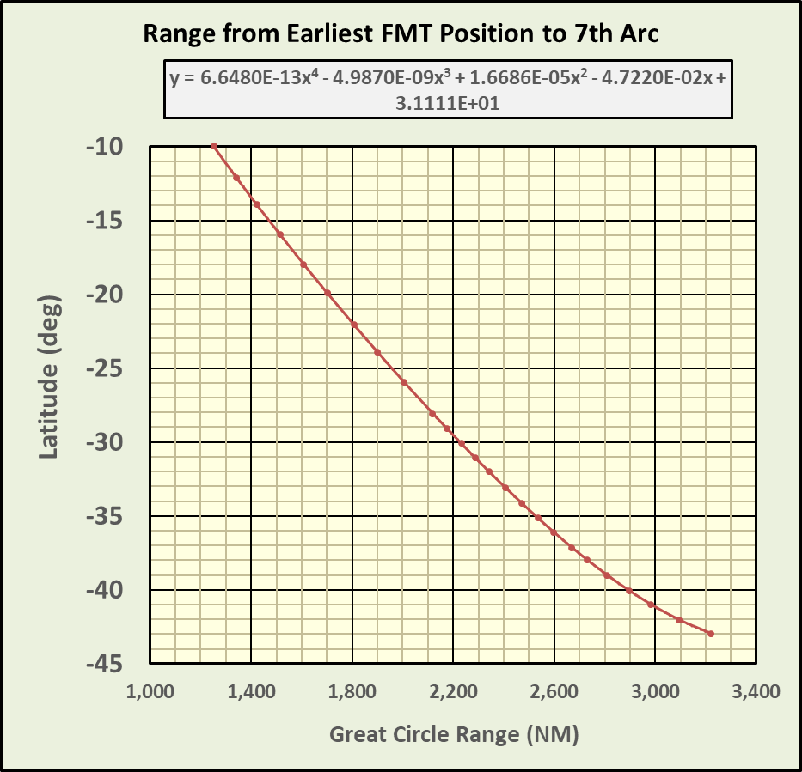
 | Rate of descent for pre-landing or to HOLDING at lower altitude | -2,000 | fpm |  |  |  |  |  |  |  |  |  |  |  |  |  |  |  |  |  |  |  |  |  | -2,000 | -2,000 | -2,000 | -2,000 | -2,000 | -2,000 | -2,000 | -2,000 | -2,000 | -2,000 | -2,000 | -2,000 | -2,000
 | Idle fuel flow during pre-landing descent or descent to a HOLDING speed | 870 | kg/hr/eng | Estimated idle fuel flow in pre-landing descent based on MH370 Flight Plan fuel flow after Top of Descent |  |  |  |  |  |  |  |  |  |  |  |  |  |  |  |  |  |  | 41706.012 | 41706.015 | 870 | 870 | 870 | 870 | 870 | 870 | 870 | 870 | 870 | 870 | 870 | 870 | 870
 | Fuel savings per engine with all Air Packs OFF | 88 | kg/hr/eng | Estimated value per Andrew, David, and Victor is ≈2.5% of nominal cruise fuel flow; assumed here to be a constant fuel flow rather than a fixed % of actual fuel flow |  |  |  |  |  |  |  |  |  |  |  |  |  |  |  |  |  |  | 0.0027777777778 | 41706.009 | 88 | 88 | 88 | 88 | 88 | 88 | 88 | 88 | 88 | 88 | 88 | 88 | 88
HOLDING | Switch for Racetrack Pattern Fuel Flow | 0 | -- | Set Switch to 1 to apply racetrack pattern fuel flow in HOLDING and INOPHOLDING which is 5% higher than straight flight; set switch to 0 for HOLDING and INOPHOLDING speed fuel flow without racetrack turns |  |  |  |  |  |  |  |  |  |  |  |  |  |  |  |  |  |  |  |  | 1 | 1 | 1 | 1 | 1 | 1 | 1 | 1 | 1 | 1 | 1 | 1 | 1
LRCINOP or HOLDINGINOP | Select which engine stops operating | R | L or R | When LRCINOP or HOLDINGINOP are selected in a leg, this parameter determines which engine stops (L or R); all fuel on board then immediately becomes available to the remaining operating engine (to accomplish this requires pilot actions to switch fuel valves and pumps later in the flight)
During INOP at End of Flight after R Engine Flame-out | Fuel Flow | 4,000 | kh/hr/eng | Estimated value at FL360; scales with relative atmospheric pressure; per Gysbreght and Andrew |  |  |  |  |  |  |  |  |  |  |  |  |  |  |  |  |  |  |  |  | 4,000 | 4,000 | 4,000 | 4,000 | 4,000 | 4,000 | 4,000 | 4,000 | 4,000 | 4,000 | 4,000 | 4,000 | 4,000
 | ΔSAT | 6.0 | C | Excess SAT above ISA (from NOAA GDAS) |  |  |  |  |  |  |  |  |  |  |  |  |  |  |  |  |  |  |  |  | 6.0 | 6.0 | 6.0 | 6.0 | 6.0 | 6.0 | 6.0 | 6.0 | 6.0 | 6.0 | 6.0 | 6.0 | 6.0
 | KCAS Deceleration | -10 | kts/min | Decelerates unti reaching Minimum KCAS or MEFE occurs; per ALSM simulator runs |  |  |  |  |  |  |  |  |  |  |  |  |  |  |  |  |  |  |  |  | -10 | -10 | -10 | -10 | -10 | -10 | -10 | -10 | -10 | -10 | -10 | -10 | -10
 | Minimum KCAS | 208 | kts | Estimated value is Minimum Maneuver Speed + 1 kt |  |  |  |  |  |  |  |  |  |  |  |  |  |  |  |  |  |  |  |  | 208 | 208 | 208 | 208 | 208 | 208 | 208 | 208 | 208 | 208 | 208 | 208 | 208
 | Highest Flight Level for level INOP flight | 300 | hft | Highest Flight Level where INOP HOLDING can maintain altitude with only L engine operating |  |  |  |  |  |  |  |  |  |  |  |  |  |  |  |  |  |  |  |  | 250 | 250 | 250 | 250 | 250 | 250 | 250 | 250 | 250 | 250 | 250 | 250 | 250
 | ROD after reaching Minimum KCAS | -600 | fpm | Estimated value per Gysbreght |  |  |  |  |  |  |  |  |  |  |  |  |  |  |  |  |  |  |  |  | -600 | -600 | -600 | -600 | -600 | -600 | -600 | -600 | -600 | -600 | -600 | -600 | -600
During MEFE (Autopilot Off) | ROD after reaching Minimum KCAS | -3,000 | fpm | Estimated value of ROD with both engines flamed-out and after minimum KCAS is reached |  |  |  |  |  |  |  |  |  |  |  |  |  |  |  |  |  |  |  |  | -3,000 | -3,000 | -3,000 | -3,000 | -3,000 | -3,000 | -3,000 | -3,000 | -3,000 | -3,000 | -3,000 | -3,000 | -3,000
At 7th Arc | KCAS Deceleration | -10 | kts/min | Estimated value; stops at Min. Maneuver + 1 kt |  |  |  |  |  |  |  |  |  |  |  |  |  |  |  |  |  |  |  |  | -10 | -10 | -10 | -10 | -10 | -10 | -10 | -10 | -10 | -10 | -10 | -10 | -10
 | ROD after reaching 7th Arc | -15,000 | fpm | From 00:19:37 BFO |  |  |  |  |  |  |  |  |  |  |  |  |  |  |  |  |  |  |  |  | -15,000 | -15,000 | -15,000 | -15,000 | -15,000 | -15,000 | -15,000 | -15,000 | -15,000 | -15,000 | -15,000 | -15,000 | -15,000

OUTPUT PARAMETERS
Time of R engine fuel exhaustion |  | #NAME? | UTC | Calculated times are rounded up to nearest whole minute; Main Engines Fuel Exhaustion (MEFE) occurs at L engine flame-out
Time of L engine fuel exhaustion (MEFE) |  | #NAME? | UTC
Time interval from R & L engine flame-outs |  | #NAME? | min
Time of Main Engines Fuel Exhaustion (MEFE) |  | #NAME?
Predicted Time of 7th Arc Transmissions (=2 min after MEFE) |  | #NAME? | UTC
Predicted Time of Impact |  | #NAME? | UTC
Leg #1 | Average Mach | #NAME? | --
 | Average TAS | #NAME? | kts
 | Total Fuel on Board at end of leg | #NAME? | tonnes
 | Weight at End of Leg | #NAME? | tonnes
 | Average Fuel Flow | #NAME? | kg/hr
 | Average Fuel Mileage | #NAME? | NM / tonne
 | Air miles | #NAME? | NM
Leg #2 | Average Mach | #NAME? | --
 | Average TAS | #NAME? | kts
 | Total Fuel on Board at end of leg | #NAME? | tonnes
 | Weight at End of Leg | #NAME? | tonnes
 | Average Fuel Flow | #NAME? | kg/hr
 | Average Fuel Mileage | #NAME? | NM / tonne
 | Air miles | #NAME? | NM
Leg #3 | Average Mach | #NAME? | -- | Includes travel from start time of Leg #3 until 2 minutes after L engine flame-out (i.e., when at 7th Arc)
 | Average TAS | #NAME? | kts
 | Total Fuel on Board at end of leg | #NAME? | tonnes
 | Weight at End of Leg | #NAME? | tonnes
 | Average Fuel Flow | #NAME? | kg/hr
 | Average Fuel Mileage | #NAME? | NM / tonne
 | Air miles | #NAME? | NM | Post-radar-track air miles = air miles after earliest possible FMT
Latitude of southernmost intersection with 7th Arc following Great Circle |  | #NAME? | deg ( "-" = S) | Assumes great circle route from earliest FMT position (7.18N,95.68E, assuming a 15 NM R SLOP) at 18:29 intersecting 7th Arc at 20,000 ft 2 minutes after MEFE
All Legs from 17:07 to 7th Arc | Average Mach | #NAME? | --
 | Average TAS | #NAME? | kts
 | Air miles | #NAME? | NM | Equivalent Still Air Distance = ground miles if no net tailwinds
PDA | L engine in cruise | 0.45% | % | Engine PDAs are typically between 0.5% and 2.0%; both Rolls Royce RB211 Trent 892B-17 engines were manufactured in 2004 & had >40,000 operating hours; L engine installed in 5/2013 & R in 10/2010
 | R engine in cruise | 2.55% | %

 |  |  |  |  | ROW MODEL OF FUEL FLOW - 1 Minute Steps |  |  |  |  |  |  |  |  |  |  | Estimated Time of Main Engines Fuel Exhaustion
 |  |  |  |  |  | Row # Leg #1 Start | Row # Leg #2 Start | Row # Leg #2 End | Row # Leg #3 Start | Row # R Flame-out | Row # L Flame-out | Row# At 7th Arc
 |  |  |  |  | ROW # | 1 | 16 | 83 | 83 | #NAME? | #NAME? | #NAME? | FF1new Fuel Flow including climb or descent adjustment and racetrack turns | Mach | Speed_Mode | FIXED MACH or KCAS | Weight | Target Flight Level | ROC Limit | ROD Limit | Actual Flight Level | ΔSAT (C)
 |  |  |  |  | (--) | Time (hh:mm:ss) | L Engine Fuel Flow (kg/min) | R Engine Fuel Flow (kg/min) | L Tank Fuel | R Tank Fuel | Total Fuel on Board (tonnes) | Total Aircraft Weight (tonnes | (kg/ hr) | (--) | (--) | (--) | (tonnes) | (hft) | (fpm) | (fpm) | (hft) | (C)
 |  |  |  |  | 1 | 2014-03-07 17:07:00 | #NAME? | #NAME? | 21.973 | 21.827 | 43.800 | 218.169 | #NAME? | #NAME? | MRC | 0.835 | 218.169 | 350.00 | 1,000 | 0 | 350.00 | 10.0
 |  |  |  |  | 2 | 2014-03-07 17:08:00 | #NAME? | #NAME? | #NAME? | #NAME? | #NAME? | #NAME? | #NAME? | #NAME? | #NAME? | #NAME? | #NAME? | #NAME? | 1,000 | #NAME? | #NAME? | 10.0
 |  |  |  |  | 3 | 2014-03-07 17:09:00 | #NAME? | #NAME? | #NAME? | #NAME? | #NAME? | #NAME? | #NAME? | #NAME? | #NAME? | #NAME? | #NAME? | #NAME? | 1,000 | #NAME? | #NAME? | 10.0
 |  |  |  |  | 4 | 2014-03-07 17:10:00 | #NAME? | #NAME? | #NAME? | #NAME? | #NAME? | #NAME? | #NAME? | #NAME? | #NAME? | #NAME? | #NAME? | #NAME? | 1,000 | #NAME? | #NAME? | 10.0
 |  |  |  |  | 5 | 2014-03-07 17:11:00 | #NAME? | #NAME? | #NAME? | #NAME? | #NAME? | #NAME? | #NAME? | #NAME? | #NAME? | #NAME? | #NAME? | #NAME? | 1,000 | #NAME? | #NAME? | 10.0
...

Endurance vs Range Plot
Predicted Main Engines Fuel Exhaustion Times and Ranges for Various Post-18:29 Airspeeds
 | Estimated MEFE from Sat Data |  | HOLDING |  | MRC |  | ± 4 min 1-σ MEFE |  | Holding INOP |  | LRC |  | LRC INOP |  | CI52 |  | 1-hr Hold@FL210+LRC |  | 1-hr Hold@FL210+CI52 |  | 40S |  | 38S
2014-03-08 00:17:00 | 0 | 2014-03-07 23:54:00 | 1,219 | 2014-03-08 00:30:00 | 2,133 | 41706.015 | 0 | 2014-03-08 02:18:00 | 1,812 | 2014-03-07 23:35:00 | 1,753 | 2014-03-08 00:57:00 | 2,100 | 2014-03-08 00:01:00 | 2,157 | 2014-03-08 00:11:00 | 1,959 | 2014-03-08 | 1,937 | 2014-03-07 23:00:00 | 2,890 | 2014-03-07 23:00:00 | 2,730
2014-03-08 00:17:00 | 5,000 | 2014-03-08 00:08:00 | 1,334 | 2014-03-08 00:22:00 | 2,242 | 41706.015 | 5,000 | 2014-03-08 02:20:00 | 1,899 | 2014-03-07 23:42:00 | 1,847 | 2014-03-08 00:52:00 | 2,147 | 2014-03-07 23:53:00 | 2,330 | 2014-03-08 00:13:00 | 2,103 | 2014-03-08 00:14:00 | 2,105 | 2014-03-08 03:00:00 | 2,890 | 2014-03-08 03:00:00 | 2,730
 |  | 2014-03-08 00:32:00 | 1,531 | 2014-03-08 00:20:00 | 2,319 | 41706.009 | 5,000 | 2014-03-08 02:13:00 | 1,994 | 2014-03-07 23:52:00 | 2,014 | 2014-03-08 00:45:00 | 2,237 | 2014-03-08 00:08:00 | 2,517 | 2014-03-08 00:13:00 | 2,238 | 2014-03-08 00:17:00 | 2,239
 |  | 2014-03-08 00:55:00 | 1,752 | 2014-03-08 00:22:00 | 2,359 | 41706.009 | 0 | 2014-03-08 02:05:00 | 2,097 | 2014-03-07 23:58:00 | 2,174 | 2014-03-08 00:38:00 | 2,331 | 2014-03-08 00:11:00 | 2,681 | 2014-03-08 00:14:00 | 2,320 | 2014-03-08 00:20:00 | 2,340
 |  | 2014-03-08 01:06:00 | 1,945 | 2014-03-08 00:26:00 | 2,427 |  |  | 2014-03-08 01:54:00 | 2,200 | 2014-03-08 00:04:00 | 2,348 | 2014-03-08 00:27:00 | 2,389 | 2014-03-08 00:13:00 | 2,749
 |  | 2014-03-08 01:06:00 | 2,024 | 2014-03-08 00:31:00 | 2,529 |  |  | 2014-03-08 01:36:00 | 2,299 | 2014-03-08 00:06:00 | 2,515 |  |  | 2014-03-08 00:15:00 | 2,791
 |  | 2014-03-08 01:02:00 | 2,158 | 2014-03-08 00:22:00 | 2,685 |  |  |  |  | 2014-03-08 00:05:00 | 2,672
 |  | 2014-03-08 00:49:00 | 2,455 | 2014-03-08 00:18:00 | 2,793 |  |  |  |  | 2014-03-08 00:06:00 | 2,757
 |  | 2014-03-08 00:39:00 | 2,656
 |  | 2014-03-08 00:21:00 | 2,793
...
Flight Level | MEFE (hh:mm) | Range (NM) | Southern Latitude Limit (°) | Notes
15 | 2014-03-08 02:18:00 | 1,812 | -22.17
50 | 2014-03-08 02:20:00 | 1,899 | -23.89 | Maximum overall endurance
100 | 2014-03-08 02:13:00 | 1,994 | -25.73
150 | 2014-03-08 02:05:00 | 2,097 | -27.67
200 | 2014-03-08 01:54:00 | 2,200 | -29.54
240 | 2014-03-08 01:36:00 | 2,299 | -31.28 | Maximum FL possible at 18:29 for this speed and weight
15 | 2014-03-07 23:54:00 | 1,219 | -9.22
50 | 2014-03-08 00:08:00 | 1,334 | -11.92
100 | 2014-03-08 00:32:00 | 1,531 | -16.32
150 | 2014-03-08 00:55:00 | 1,752 | -20.96
200 | 2014-03-08 01:06:00 | 1,945 | -24.79
220 | 2014-03-08 01:06:00 | 2,024 | -26.30
250 | 2014-03-08 01:02:00 | 2,158 | -28.78
300 | 2014-03-08 00:49:00 | 2,455 | -33.89
350 | 2014-03-08 00:39:00 | 2,656 | -36.95
400 | 2014-03-08 00:21:00 | 2,793 | -38.81 | Maximum FL possible at 18:29 for this speed and weight; maximum overall range (same as MRC)
70 | 2014-03-08 00:57:00 | 2,100 | -27.72
100 | 2014-03-08 00:52:00 | 2,147 | -28.58
150 | 2014-03-08 00:45:00 | 2,237 | -30.20
200 | 2014-03-08 00:38:00 | 2,331 | -31.83
240 | 2014-03-08 00:27:00 | 2,389 | -32.81 | Maximum FL possible at 18:29 for this speed and weight
70 | 2014-03-07 23:35:00 | 1,753 | -20.98
100 | 2014-03-07 23:42:00 | 1,847 | -22.87
150 | 2014-03-07 23:52:00 | 2,014 | -26.11
200 | 2014-03-07 23:58:00 | 2,174 | -29.07
250 | 2014-03-08 00:04:00 | 2,348 | -32.12
300 | 2014-03-08 00:06:00 | 2,515 | -34.84
350 | 2014-03-08 00:05:00 | 2,672 | -37.18
400 | 2014-03-08 00:06:00 | 2,757 | -38.34 | Maximum FL possible at 18:29 for this speed and weight
200 | 2014-03-08 00:01:00 | 2,157 | -28.77
250 | 2014-03-07 23:53:00 | 2,330 | -31.81
300 | 2014-03-08 00:08:00 | 2,517 | -34.87
350 | 2014-03-08 00:11:00 | 2,681 | -37.31
370 | 2014-03-08 00:13:00 | 2,749 | -38.24
400 | 2014-03-08 00:15:00 | 2,791 | -38.78 | Maximum FL possible at 18:29 for this speed and weight
200 | 2014-03-08 00:30:00 | 2,133 | -28.33
220 | 2014-03-08 00:22:00 | 2,242 | -30.29
240 | 2014-03-08 00:20:00 | 2,319 | -31.63
250 | 2014-03-08 00:22:00 | 2,359 | -32.31
270 | 2014-03-08 00:26:00 | 2,427 | -33.43
300 | 2014-03-08 00:31:00 | 2,529 | -35.06
350 | 2014-03-08 00:22:00 | 2,685 | -37.36
400 | 2014-03-08 00:18:00 | 2,793 | -38.81 | Maximum FL possible at 18:29 for this speed and weight; maximum overall range
250 | 2014-03-08 00:11:00 | 1,959 | -25.06
300 | 2014-03-08 00:13:00 | 2,103 | -27.78
350 | 2014-03-08 00:13:00 | 2,238 | -30.22
400 | 2014-03-08 00:14:00 | 2,320 | -31.64
250 | 2014-03-08 | 1,937 | -24.63
300 | 2014-03-08 00:14:00 | 2,105 | -27.81
350 | 2014-03-08 00:17:00 | 2,239 | -30.23
400 | 2014-03-08 00:20:00 | 2,340 | -31.98
400 | 2014-03-08 00:06:00 | 2,758 | -38.36
380 | 2014-03-08 00:04:00 | 2,741 | -38.13
360 | 2014-03-07 23:55:00 | 2,670 | -37.15
340 | 2014-03-07 23:39:00 | 2,564 | -35.59
410 | 2014-03-08 00:17:00 | 2,780 | -38.64 |  | Latitude Limits Used in MEFE Plot
400 | 2014-03-08 00:19:00 | 2,795 | -38.84 |  | 40S | 2014-03-07 23:00:00 | 2,890
390 | 2014-03-08 00:18:00 | 2,788 | -38.75 |  | 40S | 2014-03-08 03:00:00 | 2,890
380 | 2014-03-08 00:16:00 | 2,774 | -38.56 |  | 38S | 2014-03-07 23:00:00 | 2,730
370 | 2014-03-08 00:13:00 | 2,750 | -38.25 |  | 38S | 2014-03-08 03:00:00 | 2,730
360 | 2014-03-08 00:08:00 | 2,711 | -37.72 |  | 36S | 2014-03-07 23:00:00 | 2,585
350 | 2014-03-08 00:01:00 | 2,666 | -37.09 |  | 36S | 2014-03-08 03:00:00 | 2,585
340 | 2014-03-07 23:53:00 | 2,615 | -36.36 |  | 34S | 2014-03-07 23:00:00 | 2,460
410 | 2014-03-08 00:22:00 | 2,753 | -38.29 |  | 34S | 2014-03-08 03:00:00 | 2,460
...

Figures
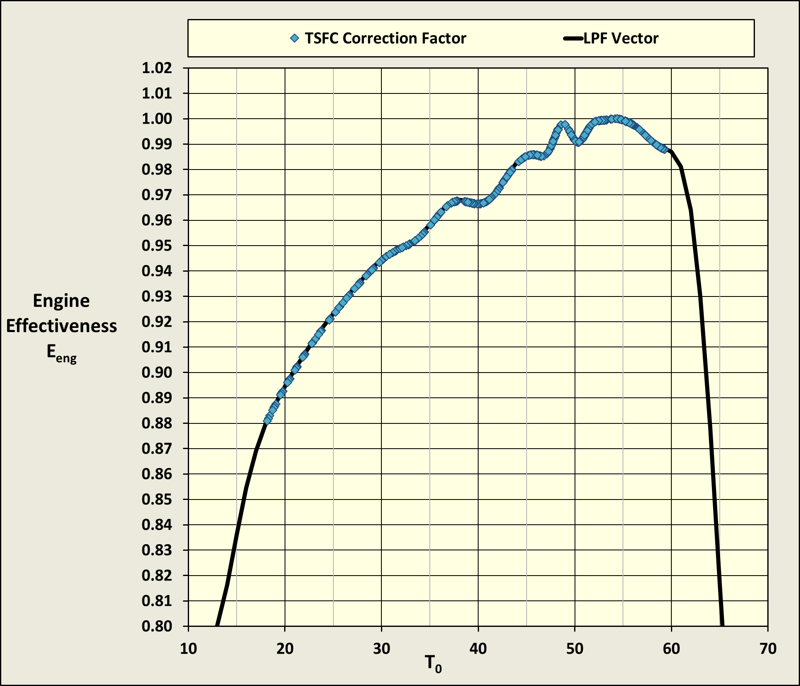

LRC FF
MH370 Configuration
 | LRC
...
MH370 Configuration
 | LRC

MH370 Configuration
 | LRC

LRC Tables
...
 | LRC from Boeing FPPM

M0.84 FF
...
MH370 Configuration - M0.84
 | M0.84 FL300 | M0.84 FL310 | M0.84 FL320 | M0.84 FL330 | M0.84 FL340 | M0.84 FL350 | M0.84 FL360 | M0.84 FL370 | M0.84 FL380 | M0.84 FL390 | M0.84 FL400 | M0.84 FL410

MH370 Configuration
 | LRC

Holding KIAS
...
 | Pressure

Holding Mach
...
 | Pressure

MRC Mach
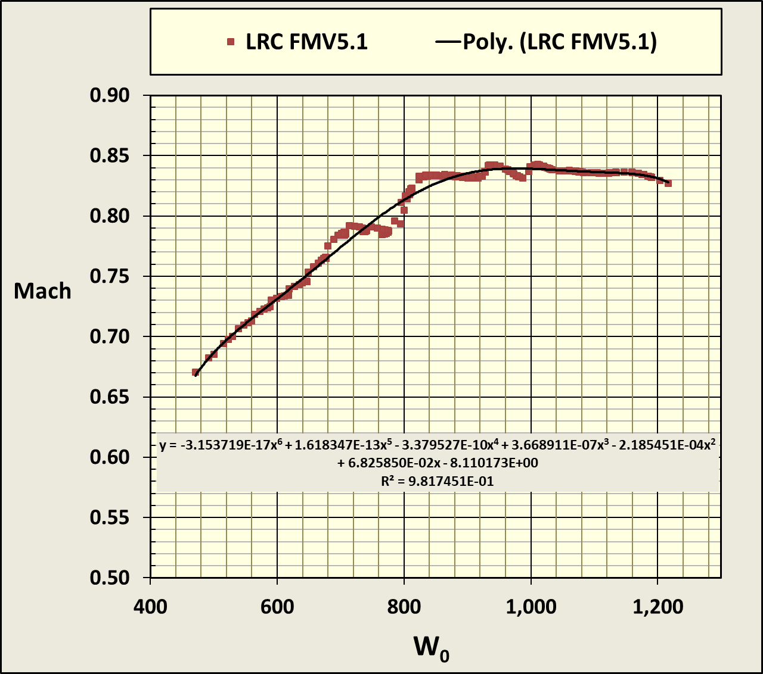
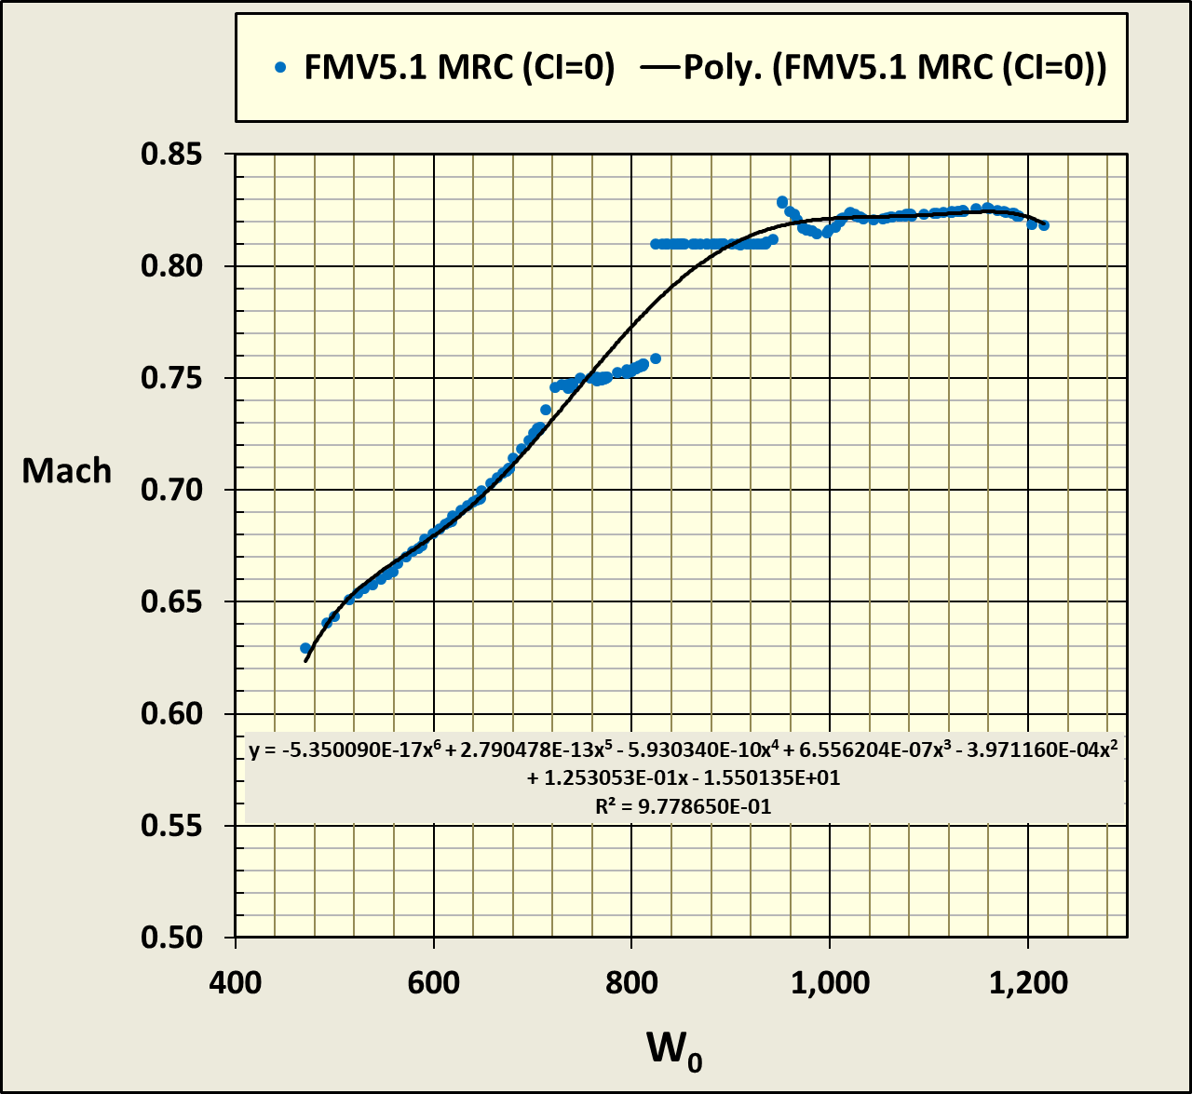
...
 | Max Endurance
1010.2339964 | 0.7155
1057.5009955 | 0.732
1107.4238723 | 0.748
1160.1772755 | 0.76
853.37195721 | 0.667
892.26125384 | 0.6895
933.27837099 | 0.6795
976.55952986 | 0.7195
1022.2509624 | 0.722
1070.5097432 | 0.7355
1121.5046996 | 0.7505
1175.4174058 | 0.795
823.945338 | 0.6675
861.4936244 | 0.6715
901.0963582 | 0.6935
942.88506331 | 0.69
987.00092917 | 0.698
1033.5956142 | 0.724
1082.8321238 | 0.7405
1134.8857711 | 0.7515
1189.9452284 | 0.7995
794.51871878 | 0.667
830.72599495 | 0.665
868.9143454 | 0.676
909.21059677 | 0.697
951.75089598 | 0.7005
996.68148508 | 0.7055
1044.1595479 | 0.727
1094.3541364 | 0.7445
1147.4471845 | 0.755
1203.6346187 | 0.8015
765.09209957 | 0.652
799.95836551 | 0.6685
836.73233261 | 0.661
875.53613022 | 0.6805
916.5008628 | 0.7
959.767356 | 0.708
1005.4869721 | 0.712
1053.8225018 | 0.73
1104.9491407 | 0.7475
1159.0555588 | 0.76
1216.121941 | 0.804
735.66548036 | 0.6225
769.19073607 | 0.6545
804.55031982 | 0.6695
841.86166367 | 0.661
881.25082962 | 0.684
922.85322692 | 0.6675
966.81439622 | 0.7145
1013.2908671 | 0.718
...
...
Test Case
X = | 350 | = FL | = TOP ROW
Y = | 240 | = W | = LEFT COLUMN

Mach = | #NAME? | = BICUBICINTERPOLATION(C3:T18,X,Y)

CI=52 FF
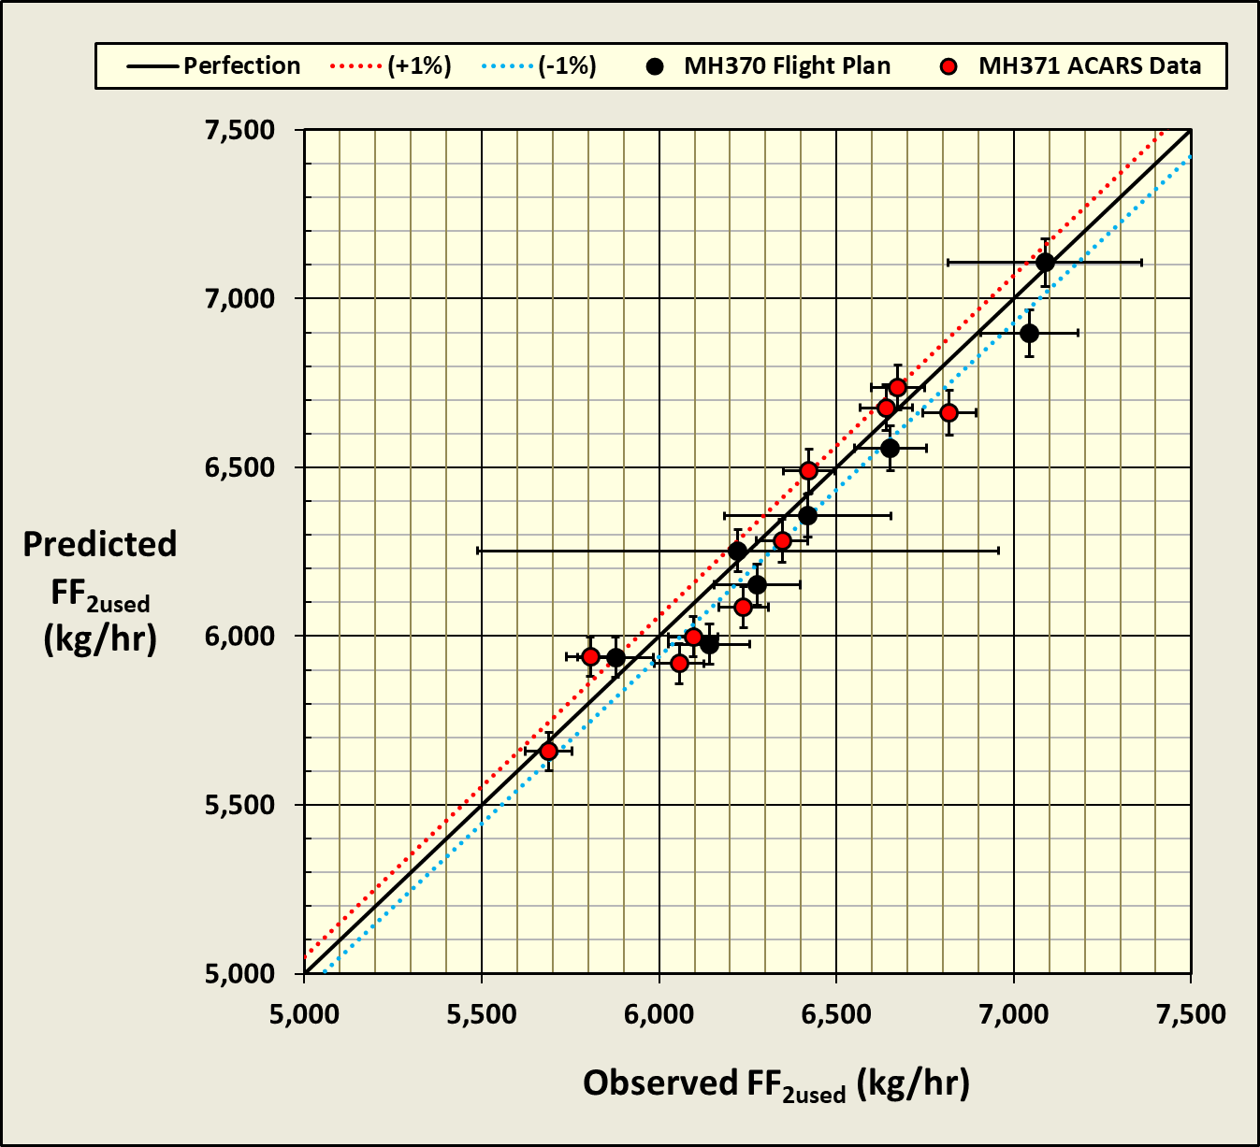
...
380 | 390 | 400 | 410 | 420 | 430
2,445 | 2,453 | 2,443 | 2,445 | 2,434 | 2,444
2,591 | 2,582 | 2,590 | 2,566 | 2,577 | 2,566
2,722 | 2,732 | 2,708 | 2,710 | 2,705 | 2,734
2,872 | 2,852 | 2,846 | 2,846 | 2,882 | 2,945
2,995 | 2,984 | 2,986 | 3,027 | 3,101
3,123 | 3,126 | 3,170 | 3,249
3,264 | 3,309 | 3,387
3,445 | 3,519
3,647
...

